Lesson 17Homework
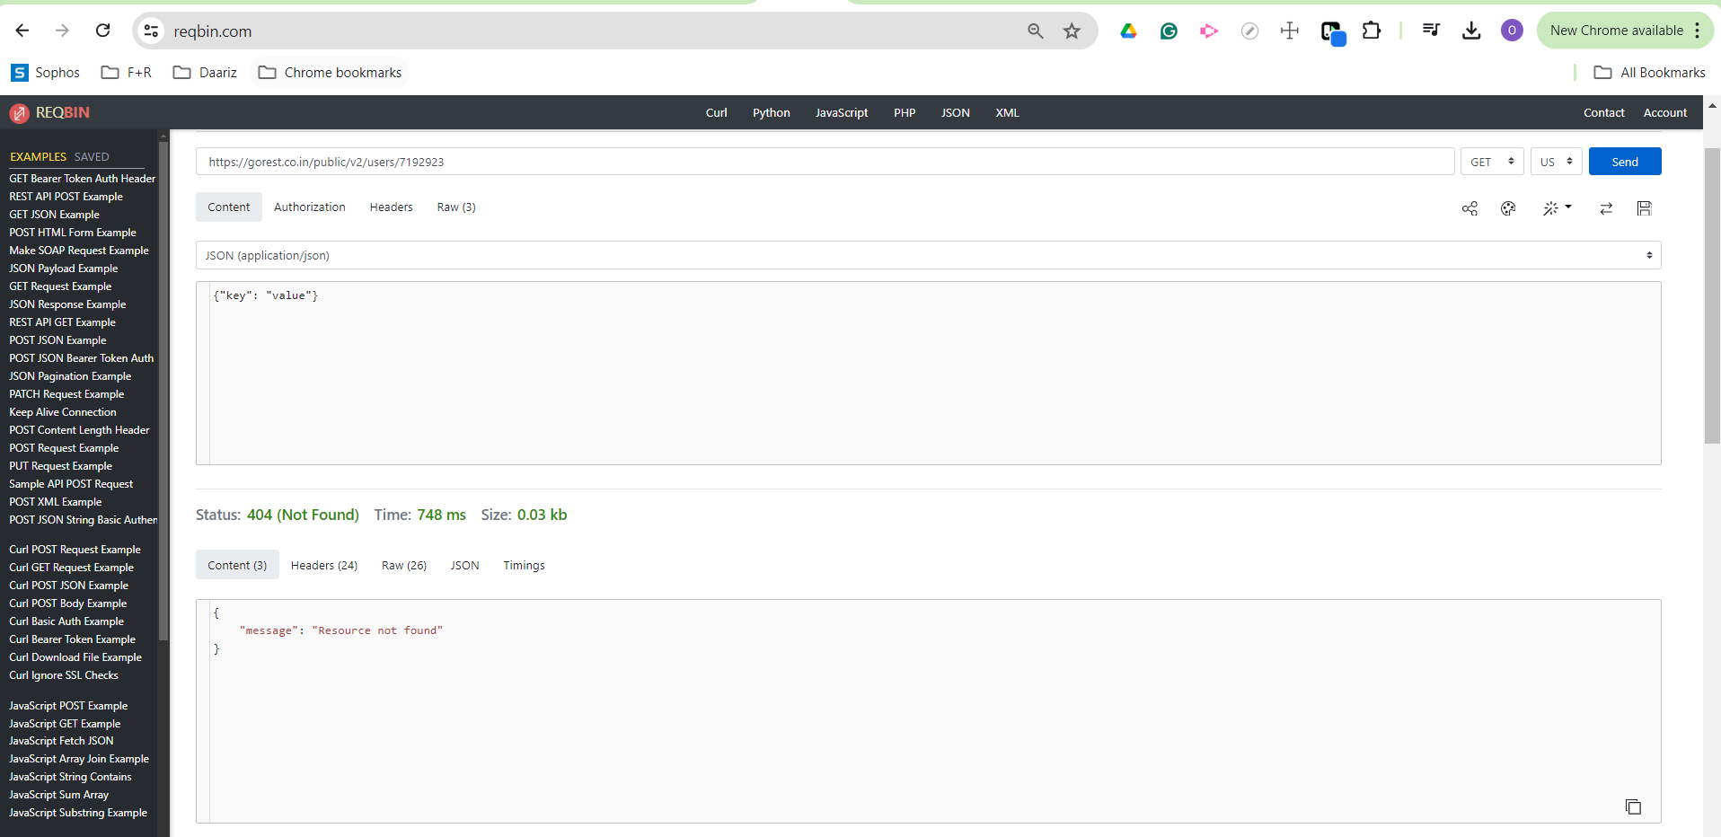
Task 1. Cтвори 5 тест-кейсів для функціонального тестування сайту https://automoto.ua/uk/ (5 найбільш пріоритетних тестів)
Test Case ID |  | AU_0017 | Test Case Description |  | Transport search by transport type. Positive case.
Created By |  | Olha Bitchenko | Reviewed By |  | Olena Horupa | Version | 4.0

QA Tester’s Log

Tester's Name |  | Olha Bitchenko | Date Tested |  | 2024-07-28 | Test Case (Pass/Fail/Not Executed) | Not executed

N | Prerequisites:
1 | The https://automoto.ua/ is opened in Chrome
2 | User is not logged in
3
4

Test Scenario | Transport search by transport type. Positive case.

Step N | Step Details |  | Expected Results |  | Pass / Fail / Not executed / Pending

1 | Verify the Search block |  | The Search block should be displayed on the page |  | Not executed
2 | Select the "Car" transport type from the "Transport type" field |  | Selected transport type should be displayed in the "Transport type" field |  | Not executed
3 | Click the Search button |  | The relevant item's list should be displayed on the screen |  | Not executed
4 | Repeat steps 2-3 for existing transport types from the "Transport type" dropdown menu |  | The relevant item's lists should be displayed on the screen |  | Not executed
5 | Reload the page |  | The page should be reloaded and all settings sould be reset to default |  | Not executed

Test Case ID |  | AU_0018 | Test Case Description |  | Transport search by transport condition. Positive case.
Created By |  | Olha Bitchenko | Reviewed By |  | Olena Horupa | Version | 4.0

QA Tester’s Log

Tester's Name |  | Olha Bitchenko | Date Tested |  | 2024-07-28 | Test Case (Pass/Fail/Not Executed) | Not executed

N | Prerequisites:
1 | The https://automoto.ua/ is opened in Chrome
2 | User is not logged in
3
4

Test Scenario | Transport search by transport condition. Positive case.

Step N | Step Details |  | Expected Results |  | Pass / Fail / Not executed / Pending

1 | Verify the Search block |  | The Search block should be displayed on the page |  | Not executed
2 | Select the transport condition "New" from the conditions menu |  | Selected condition should be highlighted |  | Not executed
3 | Click the Search button |  | The relevant item's list should be displayed on the screen |  | Not executed
4 | Repeat steps 2-3 for all existing transport conditions from the conditions menu |  | The relevant item's lists should be displayed on the screen |  | Not executed
5 | Reload the page |  | The page should be reloaded and all settings sould be reset to default |  | Not executed

Test Case ID |  | AU_0019 | Test Case Description |  | Transport search by transport trademark. Positive case.
Created By |  | Olha Bitchenko | Reviewed By |  | Olena Horupa | Version | 4.0

QA Tester’s Log

Tester's Name |  | Olha Bitchenko | Date Tested |  | 2024-07-28 | Test Case (Pass/Fail/Not Executed) | Not executed

N | Prerequisites:
1 | The https://automoto.ua/ is opened in Chrome
2 | User is not logged in
3
4

Test Scenario | Transport search by transport trademark. Positive case.

Step N | Step Details |  | Expected Results |  | Pass / Fail / Not executed / Pending

1 | Verify the Search block |  | The Search block should be displayed on the page |  | Not executed
2 | Select the transport trademark "A.C.M." from the trademark menu |  | Selected trademark should be displayed in the Trademark field |  | Not executed
3 | Click the Search button |  | The relevant item's list should be displayed on the screen |  | Not executed
4 | Repeat steps 2-3 for existing transport's trademarks from the trademark dropdown menu |  | The relevant item's lists should be displayed on the screen |  | Not executed
5 | Reload the page |  | The page should be reloaded and all settings sould be reset to default |  | Not executed

Test Case ID |  | AU_0020 | Test Case Description |  | Transport search by transport model. Positive case.
Created By |  | Olha Bitchenko | Reviewed By |  | Olena Horupa | Version | 4.0

QA Tester’s Log

Tester's Name |  | Olha Bitchenko | Date Tested |  | 2024-07-28 | Test Case (Pass/Fail/Not Executed) | Not executed

N | Prerequisites:
1 | The https://automoto.ua/ is opened in Chrome
2 | User is not logged in
3
4

Test Scenario | Transport search by transport model. Positive case.

Step N | Step Details |  | Expected Results |  | Pass / Fail / Not executed / Pending

1 | Verify the Search block |  | The Search block should be displayed on the page |  | Not executed
2 | Select the transport trademark "Adventure" from the trademark menu |  | Selected trademark should be displayed in the Trademark field |  | Not executed
3 | Select the trademark's model "M-360" from the Model dropdown menu |  | Selected model should be displayed in the Model field |  | Not executed
4 | Click the Search button |  | The relevant item's list should be displayed on the screen |  | Not executed
5 | Repeat steps 2-3 for existing transport trademarks and models from the trademark dropdown menu |  | The relevant item's lists should be displayed on the screen |  | Not executed
6 | Reload the page |  | The page should be reloaded and all settings sould be reset to default |  | Not executed

Test Case ID |  | AU_0038 | Test Case Description |  | Transport search by transport trademark and the release year. Positive case.
Created By |  | Olha Bitchenko | Reviewed By |  | Olena Horupa | Version | 4.0

QA Tester’s Log

Tester's Name |  | Olha Bitchenko | Date Tested |  | 2024-07-28 | Test Case (Pass/Fail/Not Executed) | Not executed

N | Prerequisites:
1 | The https://automoto.ua/ is opened in Chrome
2 | User is not logged in
3
4

Test Scenario | Transport search by transport trademark and the release year. Positive case.

Step N | Step Details |  | Expected Results |  | Pass / Fail / Not executed / Pending

1 | Verify the Search block |  | The Search block should be displayed on the page |  | Not executed
2 | Select the transport trademark "Adventure" from the trademark menu |  | Selected trademark should be displayed in the Trademark field |  | Not executed
3 | Select the year in the "Year from" dropdown menu |  | Selected year should be displayed in the "Year from" field |  | Not executed
3 | Select the year in the "Year to" dropdown menu |  | Selected year should be displayed in the "Year to" field |  | Not executed
4 | Click the Search button |  | The relevant item's list should be displayed on the screen |  | Not executed
5 | Repeat steps 2-3 for existing transport trademarks trademark dropdown menu and years diapazones |  | The relevant item's lists should be displayed on the screen |  | Not executed
6 | Reload the page |  | The page should be reloaded and all settings sould be reset to default |  | Not executed

Task 2. За допомогою https://reqbin.com/ протестуй наступні методи API Reqres. Створи документ, в якому у довільному форматі, але зі скриншотами, опиши знайдені баги.

N | API Reqres methods | Method | Host | Request | Body | Response | Expected response status code | Actual result status code | Pass/Fail | Comment
1 | LIST USERS | GET | https://reqres.in | /api/users?page=2 | - | default | 200 | 200(OK) | Pass
2 | SINGLE USER | GET | https://reqres.in | /api/users/2 | - | default | 200 | 200(OK) | Pass
3 | CREATE | POST | https://reqres.in | /api/users | { "name": "Olga", "job": "QA" } | { "name": "Olga", "job": "QA", "id": "655", "createdAt": "2024-07-27T23:22:23.899Z" } | 201 | 201 (Created) | Pass
4 | UPDATE (PUT) | PUT | https://reqres.in | /api/users/655 | { "name": "Olha", "job": "QA Engineer" } | { "name": "Olha", "job": "QA Engineer", "updatedAt": "2024-07-27T23:31:22.757Z" } | 200 | 200 (OK) | Pass
5 | UPDATE (PATCH) | PATCH | https://reqres.in | /api/users/655 | { "name": "Olha Bitchenko", "job": "QA Engineer" } | { "name": "Olha Bitchenko", "job": "QA Engineer", "updatedAt": "2024-07-27T23:33:51.589Z" } | 200 | 200 (OK) | Pass
6 | DELETE | DELETE | https://reqres.in | /api/users/655 | - | - | 204 | 204 (No Content) | Pass
7 | REGISTER - SUCCESSFUL | POST | https://reqres.in | /api/register | { "email": "eve.holt@reqres.in", "password": "pistol" } | { "id": 4, "token": "QpwL5tke4Pnpja7X4" } | 200 | 200 (OK) | Pass
8 | LOGIN - SUCCESSFUL | POST | https://reqres.in | /api/login | { "email": "eve.holt@reqres.in", "password": "cityslicka" } | { "token": "QpwL5tke4Pnpja7X4" } | 200 | 200 (OK) | Fail | The user was created with "password": "pistol" and logged in with password "cityslicka"

Task 3. Використовуючи https://reqbin.com/, відправ по одному валідному запиту для кожного методу в GO REST (/users endpoint). За відправки кожного запиту порівняй його деталі, введені у https://reqbin.com/ і відображені в Developer Tools.

POST
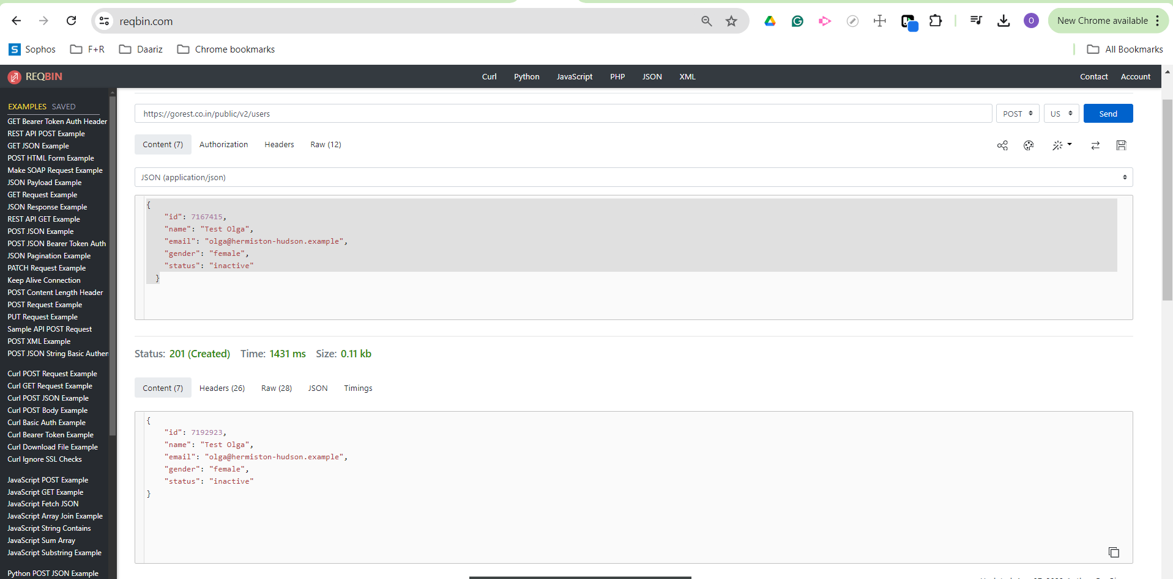

GET
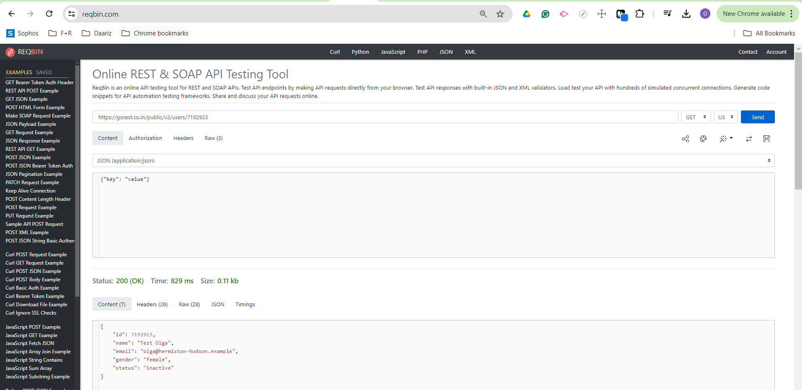

PATCH
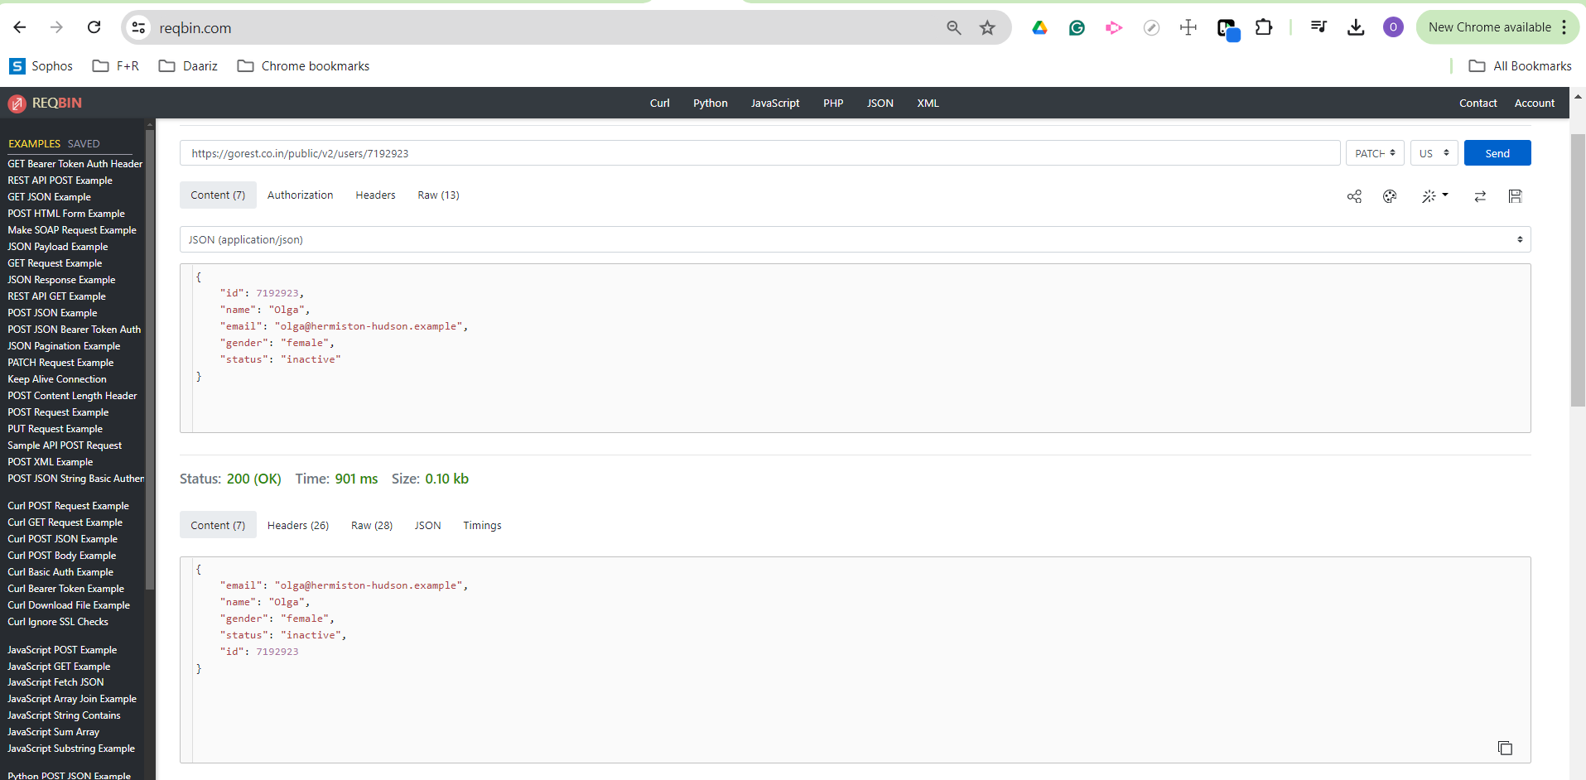

PUT
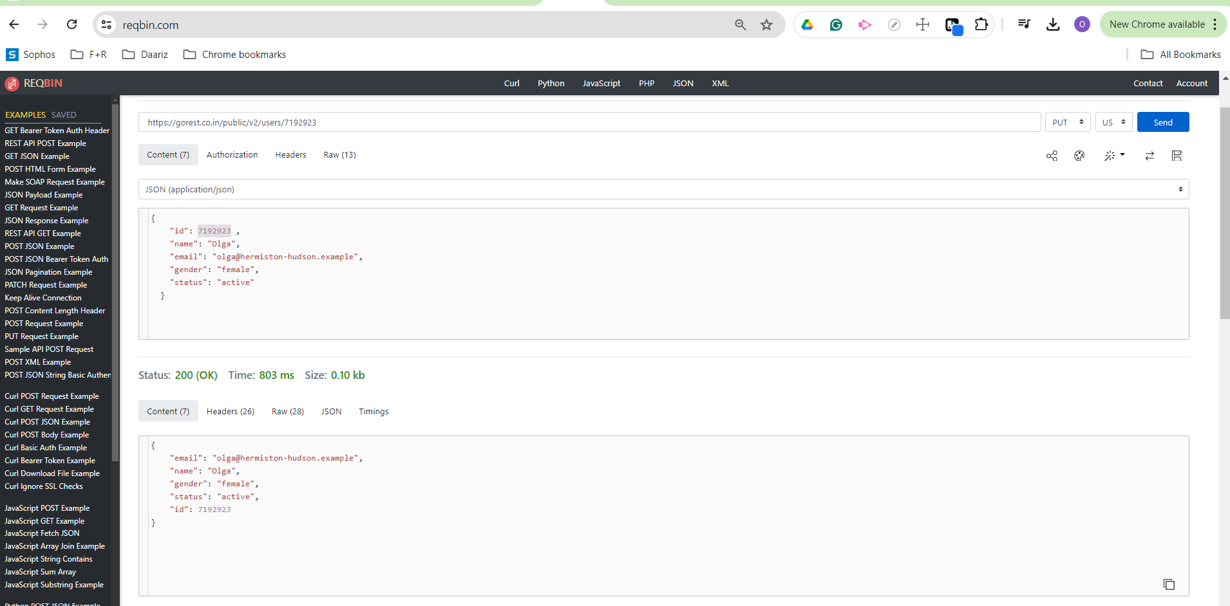

DELETE
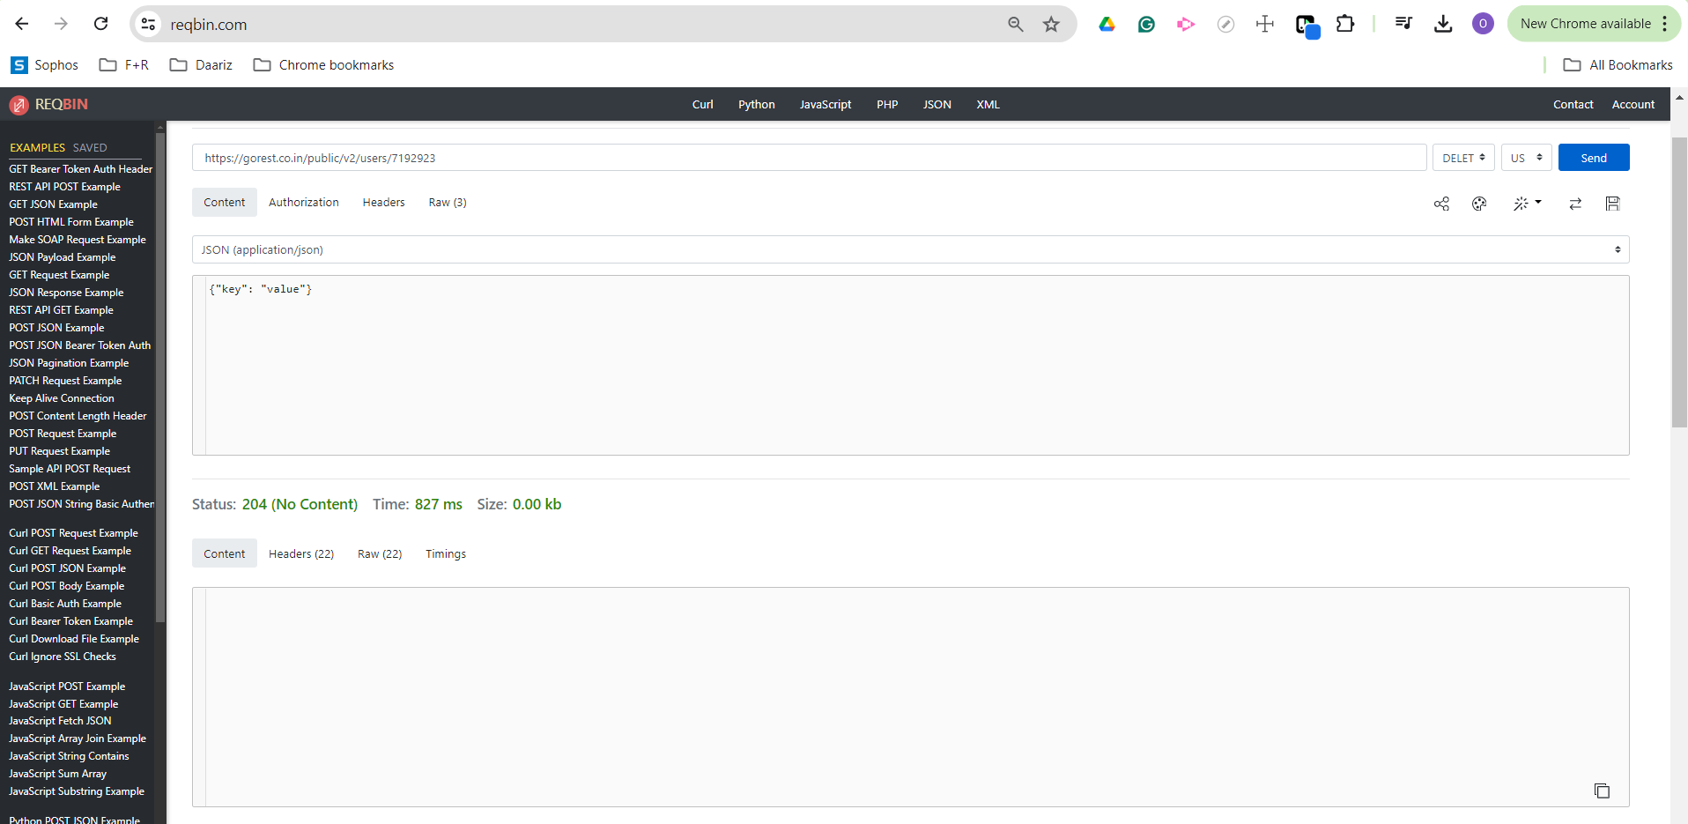

GET

